For Office ONLY_写真票
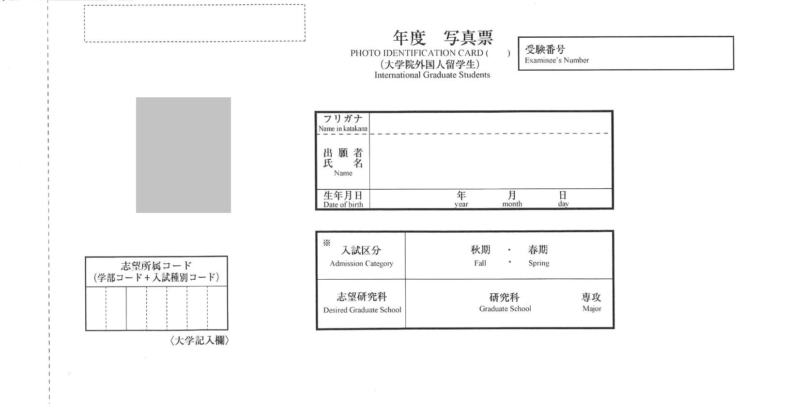
2026

2026

グローバル
経営研究
１３
ビジネス

